INTRODUCTION
INTERNATIONAL TRADE IN EDUCATIONAL SERVICES – 2016-17
Government of India, Ministry of Commerce & Industry Director General of Commercial Intelligence & Statistics 565, Anandapur, Sector – 1 , Kolkata- 700107 |  |  | Please read the guidelines/instructions below before filling in the form
The purpose of this exercise is to obtain detailed information of your institute’s education services transactions with non-residents of India to compile India’s trade in services statistics. These statistics will be used by the government in policy-formulation and implementation.
Please enable the macro as provided below before filling up the information.
The Collection of Statistics Act, 2008 guarantees the confidentiality of the information provided via this form. All information provided will be treated as confidential and individual level information will not be made available in the public domain. Please return the completed form within one month from date of receipt of the notice. You may also download an MS Excel file of the format from the website of DGCIS, www.dgciskol.nic.in. |  | 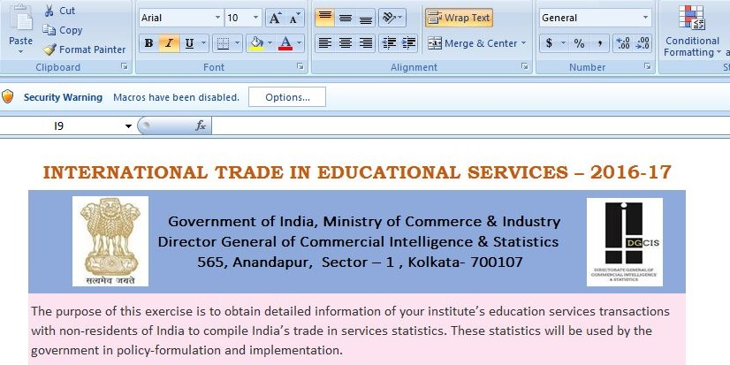

A ‘NIL’ return is required if your institute was not in operation during 2016-17. Please state the effective date your institute ceased operations. Also, please retain a copy of the completed questionnaire for your reference. Please state the effective date your company ceased operations. After you complete this form, please retain a copy for your records. Please submit the completed form to the following address: Director (Services Sector Division), DGCIS, 565 Anandapur, Kolkata – 700107 or email: dirservices.dgcis@nic.in, d.mandal.dgcis@gov.in, admindgcis@dgcis.gov.in |  |  | 1. For Win 98 / 2000 / Me / XP or below versions of MS Office, 2. Click on the “Enable Macro” button while opening the file. -- For 2007 / 2010 or above versions of MS Office, 3. Click on the “Options” menu and select “Enable this content” option. -- If you are unable to run the macro, please re-open the file and enable the macro
For more information or assistance, please contact the officers-in-charge at Services Statistics Division of DGCIS: Telephone : 033-24434050; E-mail : a.saha.dgcis@nic.in, dirservices.dgcis@nic.in
Data reported in this form should relate to the financial year ending March 2017. However, if the accounting year is different from the financial year (1st April 2016 to 31st March 2017), please state your reporting period and report data according to this period. The reporting period should cover at least 50% of the reference financial year.
 | Value figures in this form should be reported in Indian Rupees (INR) only

